assignment1
Assignment 1: | Select only the most recent order(s) in our orders table.

Query: | SELECT * FROM orders WHERE OrderDate IN (SELECT MAX(OrderDate) FROM orders) ORDER BY OrderDate

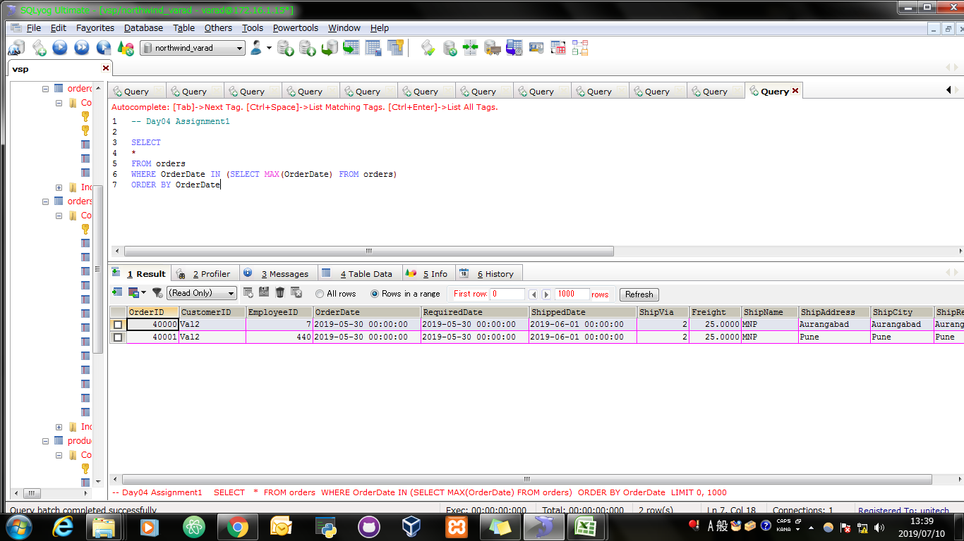
Screen Shoot:

assignment2
Assignment 2: | Display list of customers, together with the value of the most expensive item each has purchased.
 | Use table : Customers, Orders, Order Details
 | Order value = Order Detail.Unitprice * Order Detail.Quantity - Discount (If Applicable)

Query: | SELECT c.ContactName AS NAME, MAX(odet.UnitPrice * odet.Quantity - odet.Discount) AS ExpensiveItems FROM (customers c JOIN orders O ON c.CustomerID = O.CustomerID JOIN orderdetails odet ON O.OrderID = odet.OrderID) GROUP BY c.CompanyName;

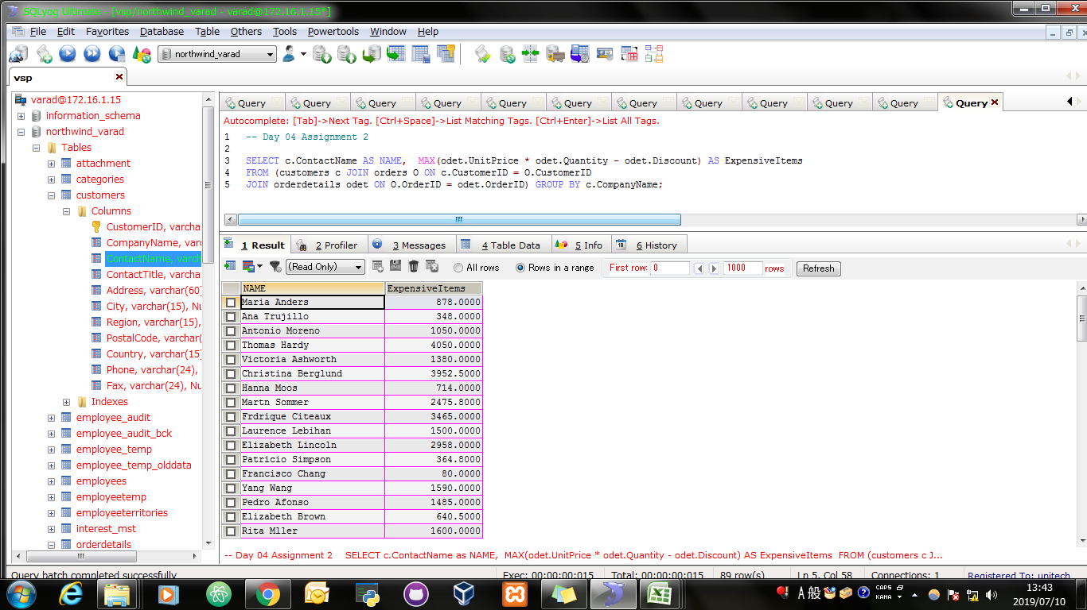
Screen Shoot:

assignment3
Assignment 3: | Create new table called Employee_Temp.
 | Create two columns firstname and last name
 | Insert all firstname, lastname from employees table to Employee_Temp table

Query: | CREATE TABLE Employee_Temp AS (SELECT e.firstname, e.lastname FROM employees e GROUP BY e.firstname, e.lastname);

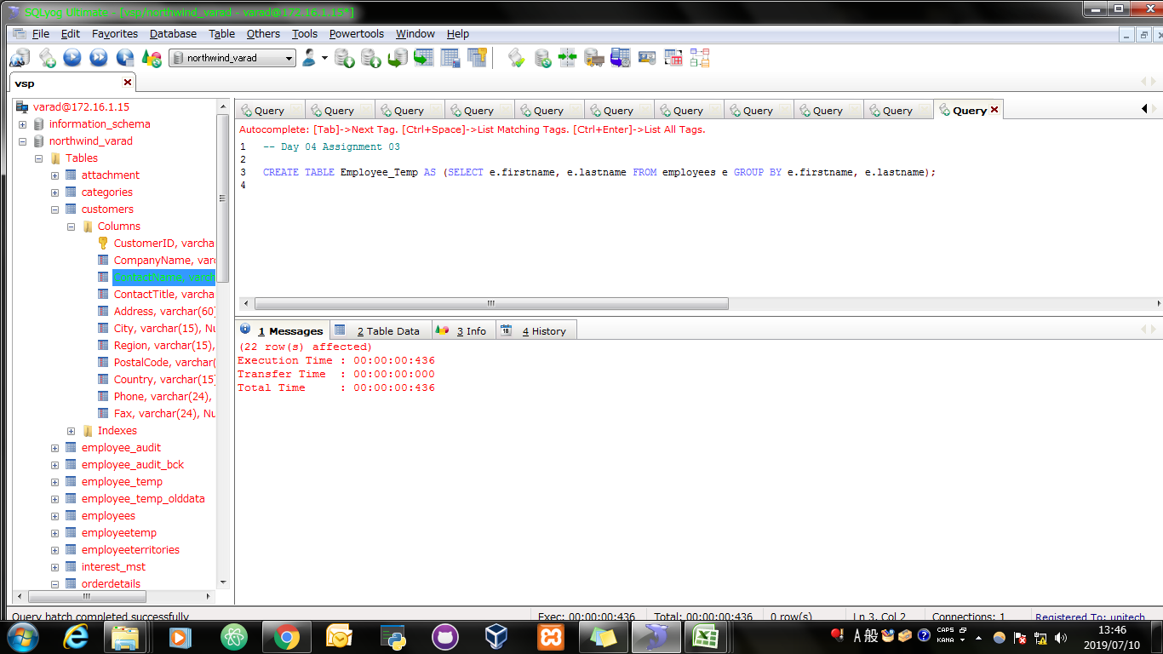
Screen Shoot:

Query: | SELECT * FROM Employee_Temp;

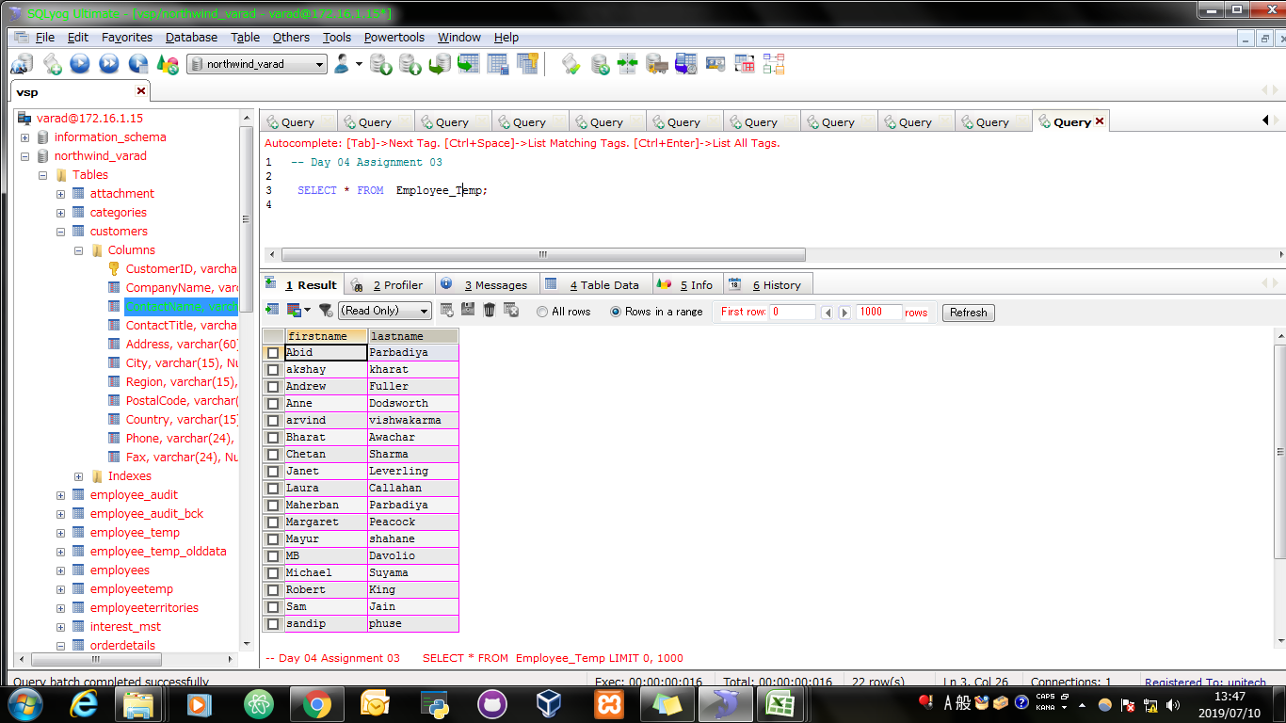
Screen Shoot:

